Sheet1
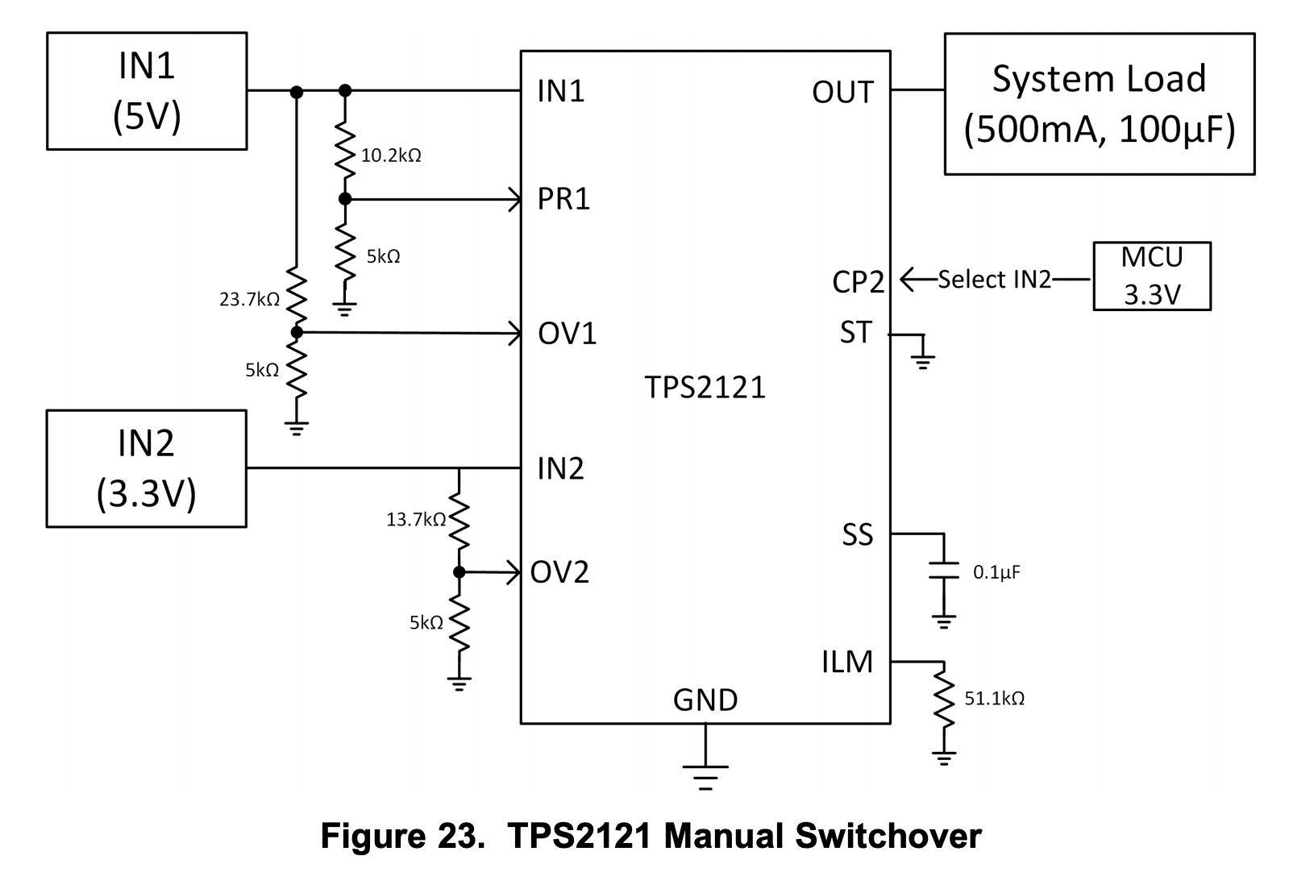
TI TPS2121 Voltage Divider Calculations

https://www.ti.com/lit/ds/symlink/tps2121.pdf

Vref | 1.06 | Inputs
Vmax | 5.5 | Inputs
Rbase | 5000 | Inputs
Rtop | 20,943.40 | Solve For

